Competitors
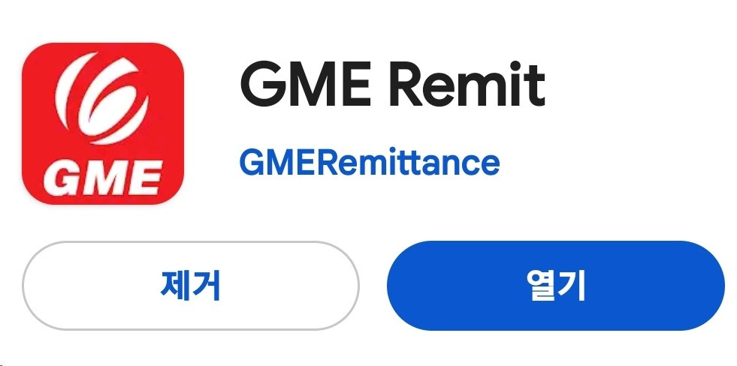
SN | Competitors | Cambodia | Thailand | Indonesia | China | Nepal | Philippines | Vietnam | Uzbekistan | Mongolia | Bangladesh | Kazakhstan | Sri Lanka | Myanmar | India | Ghana | Russian Federation
1 | E9pay | O | O | O | O | O | O | O | O | O |  | O | O | O |  |  | O
2 | hanpass | O | O | O | O | O | O | O | O | O | O | O | O | O | O | O | O
3 | Gmoney | O | O | O | O | O | O | O | O | O | O | O | O | O | O | O | O
4 | Sentbe | O | O | O | O | O | O | O | O |  | O | O | O | O | O |  | O
5 | Coinshot |  | O | O | O | O | O |  | O | O |  | O
6 | cross |  | O | O | O | O | O
7 | SBI | O |  | O | O | O | O | O
8 | Wirebarley |  |  |  | O | O |  | O |  |  |  |  |  |  | O
9 | panda |  |  |  | O
10 | debunk |  |  |  | O
11 | utransfer |  |  |  | O
12 | payhada |  |  |  | O
13 | moin |  |  |  | O
14 | jrf |  | O |  |  | O | O |  |  |  | O |  | O |  | O
15 | QS Remit |  |  |  |  |  |  |  |  |  | O
16 | GME | ○ | ○ | ○ | ○ | ○ | ○ | ○ | ○ | ○ | ○ | ○ | ○ | ○ | ○ | ○ | ○

